MF 12V battery
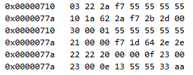
Send |  |  |  |  |  | 03=lenght, 22=SID, 2a f7=DID
receive |  |  |  |  |  | 10=multiframe, 1a->dec=26 databytes, 62=22+0x40,2a f7 =DID, 3 data bytes (2b 2d 00)
send |  |  |  |  |  | Flow control from sender (30). Byte 1 is block size before new flow control (00 -> never divide in blocks), byte 2 is minimum separation time (00).
receive |  |  |  |  |  | 21 = first frame, 8 data bytes (first one in a sequence is always 21)
receive |  |  |  |  |  | 22 = second frame, 8 data bytes.
receive |  |  |  |  |  | 23 = third frame, 7 data bytes, but only 6 is used according to first frame message.

 |  | 1 | 2 | 3 | 4 | 5 | 6 | 7 | 8 | 9 | 10 | 11 | 12 | 13 | 14 | 15 | 16 | 17 | 18 | 19 | 20 | 21 | 22 | 23
 |  | 2b | 2d | 00 | 00 | 00 | f7 | 1d | 64 | 2e | 2e | 22 | 20 | 00 | 00 | 0f | 23 | 00 | 00 | 0e | 13 | 55 | 55 | 33

 | 15.051

 | F

MF total charge and discharge
Same request ot have booth total discharge and total charge in same reply. |  |  |  |  | 00 | 1d | 55 | 45 | ff | e3 | 9b | 1d | 00 | c1 | 68 | d5 | ff | 4d | 38 | f9


 |  |  | byte 0 | byte 1 | byte 2 | byte 3 | byte 4 | byte 5 | byte 6 | byte 7
 | Total discharge
send |  |  | 03 | 22 | 1e | 32 | 55 | 55 | 55 | 55 | Request: Lenght = 03, SID is 22, DID is "1e 32"
receive |  |  | 10 | 12 | 62 | 1e | 32 | 00 | 1d | 55 | Reply from ECU: 10 means multiframe. 19 (13 hex) is total lenght of bytes. Repeat SID 62 (22+40 hex) and repeat the DID
send |  |  | 30 | 00 | 01 | 55 | 55 | 55 | 55 | 55 | Flow control from sender (30). Byte 1 is block size before new flow control (00 -> never divide in blocks), byte 2 is minimum separation time.
receive |  |  | 21 | 45 | ff | e3 | 9b | 1d | 00 | c1 | 21 = first frame, 8 data bytes (first one markes sequence with 21)
receive |  |  | 22 | 68 | d5 | ff | 4d | 38 | f9 | aa | 22 = second frame, 8 data bytes, but only 7 is used according to first frame message. (second in sequenc -> 22)

 |  |  |  |  |  |  |  |  |  |  | Marked with red is the 18 (12 hex) data bytes that are beeng sent as agreed.

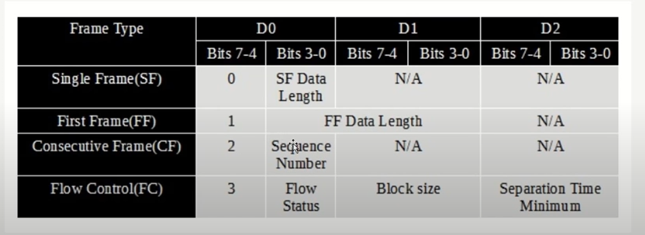
 |  |  |  |  |  |  |  | Flow control bits
 | Total charge
 |  |  |  |  |  |  |  |  |  |  |  |  |  |  |  |  |  |  |  |  |  | ff | 3d | 37 | e2 | 1600
 |  |  |  |  |  |  |  |  |  |  |  |  |  |  |  |  |  |  |  |  |  | 255 | 61 | 55 | 226
 |  |  |  |  |  |  |  |  |  |  |  |  |  |  |  |  |  |  |  |  |  | 4278190080 | 3997696 | 14080 | 226 | 4282202082

 |  |  |  |  |  |  |  |  |  |  |  |  |  |  |  |  |  |  |  |  |  |  |  |  |  | 2676376.3013

 |  |  |  |  |  |  |  |  |  |  |  |  |  |  |  |  |  |  |  |  |  |  |  |  |  | 1600.000
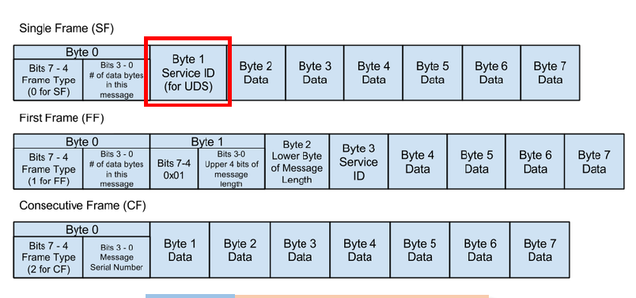

 |  | -1400 |  |  |  |  |  |  |  | 1511
 |  | tre decimaler |  |  |  |  |  |  |  | tre decimaler

 |  |  |  |  |  |  |  |  |  | 00 | c5 | ee | 98 | ff | 48 | 81 | e7 |  | 00c5ee98ff4881e7

 |  |  |  |  |  |  |  |  |  |  |  |  |  | 512
 |  |  |  |  |  |  |  |  |  |  |  |  |  | 524288 | 262144 | 131072 | 65536 | 32768 | 16384 | 8192 | 4096 | 4 | 2
 |  | 00 | 1d | fc | 63 | ff | e2 | e9 | 39 |  | 001dfc63 |  | 1965155 | 3.7482357025 | 7.496471405 | 14.99294281 | 29.98588562 | 59.97177124 | 119.94354248 | 239.88708496 | 479.77416992 | 491288.75 | 982577.5

 |  |  |  | Markerade bytes minskar i värde när man kör (discharge)

 |  |  | 03 | 22 | 1e | 32 | 55 | 55 | 55 | 55
 |  |  | 10 | 13 | 62 | 1e | 32 | 00 | 1f | c7
 |  |  | 30 | 00 | 01 | 55 | 55 | 55 | 55 | 55
 |  |  | 21 | 01 | ff | e1 | 1e | 18 | 00 | d1
 |  |  | 22 | 9b | 6a | ff | 3d | 37 | e2 | aa

 |  |  |  | Markerade bytes ökar i värde när man motorbromsar (charge)

 |  |  | 03 | 22 | 1e | 32 | 55 | 55 | 55 | 55
 |  |  | 10 | 13 | 62 | 1e | 32 | 00 | 1f | c7 | störst
 |  |  | 30 | 00 | 01 | 55 | 55 | 55 | 55 | 55
 |  |  | 21 | 01 | ff | e1 | 1e | 18 | 00 | d1
 |  |  | 22 | 9b | 6a | ff | 3d | 37 | e2 | aa

 |  |  |  | mellan
 |  |  |  | störst | minst

 |  | c7 | 9b | 01 | 6a | c79b016a | 3348824426 | 1600 | 2093015.27

MF internal GPS
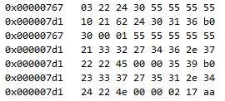
send |  |  |  |  |  |  | 03=lenght, 22=SID, 24 30=DID
receive |  |  |  |  |  |  | 10=multiframe, 33 bytes message (hex 21), 62=22+0x40,24 30 =DID, 3 data bytes (31 36 b0)
send |  |  |  |  |  |  | Flow control from sender (30). Byte 1 is block size before new flow control (00 -> never divide in blocks), byte 2 is minimum separation time (00).
receive |  |  |  |  |  |  | 21 = first frame, 7 data bytes (first one in a sequence is always 21)
receive |  |  |  |  |  |  | 22 = second frame, 7 data bytes.
receive |  |  |  |  |  |  | 23 = second frame, 7 data bytes.
receive |  |  |  |  |  |  | 24 = second frame, 6 data bytes.
etc
etc

Data message

 | 31 | 36 | b0 | 33 | 32 | 27 | 34 | 36 | 2e | 37 | 22 | 45 | 00 | 00 | 35 | 39 | b0 | 33 | 37 | 27 | 35 | 31 | 2e | 34 | 22 | 4e | 00 | 00 | 02 | 17

